Welcome!
Welcome to Statistical PERT® Beta Edition

This is a special version of Statistical PERT Beta Edition to model the incubation period of COVID-19

Statistical PERT® (SPERT®) is a freely licensed, probabilistic, estimation technique. Use Statistical PERT | All models are wrong, but some are useful.
to estimate uncertainties that have bell-shaped risk properties, like: task duration, work effort, | George E. P. Box, British statistician (1919-2013)
revenue, expenses, agile story points, project portfolios, event attendance, and more.

Statistical PERT® Beta Edition uses Excel's two beta distribution functions, BETA.DIST and | Facts are stubborn things, but statistics are pliable.
BETA.INV to model uncertainty. To easily model mild-to-moderately skewed uncertainties, | Mark Twain, American humorist (1835-1910)
try Statistical PERT® Normal Edition which uses Excel's two normal distribution functions
NORMAL.DIST and NORMAL.INV.
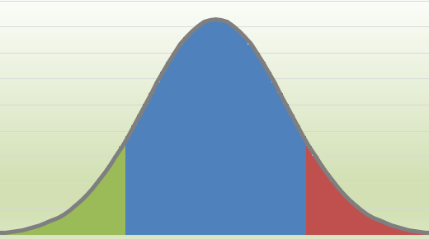
This example workbook is intended to help you quickly get started. You can also download
a Quick Start guide for Statistical PERT® Beta Edition. The Quick Start guide explains the
essential things you need to know to use the Statistical PERT® Beta Edition spreadsheet.
All Statistical PERT downloads share the same three steps for making a probablistic estimate:

1) Create a 3-point estimate (minimum, most likely, maximum)
2) Render a subjective judgment about the most likely outcome
3) Select any probabilistic planning estimate, or make a risk-based forecast

If you have any questions, suggestions, or comments, I'd love to hear from you! | New with Version 2 -- Dynamic, tri-colored, bell-shaped curves!
Contact me!
 | Plus:
Version 2.1.covid19.3a – © 2015-2020, William W. Davis, MSPM, PMP | - New! Agile Forecast worksheet
Download more FREE Statistical PERT® templates at https://www.statisticalpert.com | - New! Line Sparklines to visualize the 3-point uncertainty of every row
Watch a Pluralsight course on Statistical PERT® Normal Edition | - Other minor improvements, too!
Watch Statistical PERT videos on YouTube
Connect with or follow William W. Davis on LinkedIn
Follow Statistical PERT on Twitter to learn when new updates are released
Statistical PERT® is a free spreadsheet file; you can redistribute it and/or modify it under the terms of the
GNU General Public License as published by the Free Software Foundation, either version 3 of the License,
or (at your option) any later version. Statistical PERT® and SPERT® are federally-registered trademarks. If you modify
this spreadsheet in any material way, please remove these trademarked names from the modified spreadsheet.
On both verbatim and modified copies of this file, you must always retain the original copyright notice,
including the author's name, copyright year, and a notice that this file is licensed under the GNU General Public License.

This file is distributed in the hope that it will be useful, but WITHOUT ANY WARRANTY;
without even the implied warranty of MERCHANTABILITY or FITNESS FOR A PARTICULAR PURPOSE.
See the GNU General Public License for more details (https://www.gnu.org/licenses/).

SPERT® Beta - Coronavirus
Click for help
 | Statistical PERT® (SPERT®) Beta Edition - COVID19 Incubation Chart |  |  |  |  |  |  |  | Show Left-Side Area |  | Show the likelihood that the SPERT estimates will be EQUAL TO or GREATER THAN an uncertainty
 |  |  |  |  |  |  |  |  | Planning Estimate | SPERT Beta Probability | SPERT Probabilistic Estimates using the BETA distribution
ID | Minimum | Most Likely | Maximum |  | Skew Analysis | Most Likely Confidence | Mean | SPERT SD |  |  | 5% | 95% | 10% | 20% | 30% | 40% | 50% | 60% | 70% | 80% | 90% | 99%
1 | 1 | 4 | 20 | 1 | High skew | High Confidence | 6 | 3 | 14 | 99.76% | 2 | 10 | 3 | 3 | 4 | 5 | 5 | 6 | 7 | 8 | 9 | 13
Coronavirus (COVID-19) Incubation Period Before Symptoms Appear
1 | 0 | 0 | 0 | 0
1 | 0.0069179867166 | 0 | 0 | 0.0069179867166
1 | 0.015420143017 | 0 | 0 | 0.015420143017
1 | 0.024333474671 | 0 | 0 | 0.024333474671
1 | 0.033332637789 | 0 | 0 | 0.033332637789
1 | 0.042250605639 | 0 | 0 | 0.042250605639
2 | 0.050986258717 | 0 | 0 | 0.050986258717
2 | 0.059473400034 | 0 | 0 | 0.059473400034
2 | 0.067666953158 | 0 | 0 | 0.067666953158
2 | 0.075535738595 | 0 | 0 | 0.075535738595
2 | 0.083058268084 | 0 | 0 | 0.083058268084
2 | 0.090220101749 | 0 | 0 | 0.090220101749
2 | 0.09701208892 | 0 | 0 | 0.09701208892
2 | 0.10342914327 | 0 | 0 | 0.10342914327
2 | 0.10946935859 | 0 | 0 | 0.10946935859
2 | 0.11513335139 | 0 | 0 | 0.11513335139
3 | 0 | 0.12042375985 | 0 | 0.12042375985
3 | 0 | 0.12534485416 | 0 | 0.12534485416
3 | 0 | 0.12990222784 | 0 | 0.12990222784
3 | 0 | 0.13410254985 | 0 | 0.13410254985
3 | 0 | 0.13795336257 | 0 | 0.13795336257
3 | 0 | 0.14146291563 | 0 | 0.14146291563
3 | 0 | 0.14464002765 | 0 | 0.14464002765
3 | 0 | 0.14749397045 | 0 | 0.14749397045
3 | 0 | 0.15003437113 | 0 | 0.15003437113
3 | 0 | 0.15227112902 | 0 | 0.15227112902
3 | 0 | 0.15421434463 | 0 | 0.15421434463
4 | 0 | 0.1558742587 | 0 | 0.1558742587
4 | 0 | 0.15726119967 | 0 | 0.15726119967
4 | 0 | 0.15838553837 | 0 | 0.15838553837
4 | 0 | 0.15925764863 | 0 | 0.15925764863
4 | 0 | 0.15988787319 | 0 | 0.15988787319
4 | 0 | 0.16028649405 | 0 | 0.16028649405
4 | 0 | 0.16046370667 | 0 | 0.16046370667
4 | 0 | 0.16042959754 | 0 | 0.16042959754
4 | 0 | 0.16019412471 | 0 | 0.16019412471
4 | 0 | 0.15976710086 | 0 | 0.15976710086
5 | 0 | 0.15915817866 | 0 | 0.15915817866
5 | 0 | 0.15837683819 | 0 | 0.15837683819
5 | 0 | 0.157432376 | 0 | 0.157432376
5 | 0 | 0.15633389592 | 0 | 0.15633389592
5 | 0 | 0.15509030116 | 0 | 0.15509030116
5 | 0 | 0.15371028773 | 0 | 0.15371028773
5 | 0 | 0.15220233896 | 0 | 0.15220233896
5 | 0 | 0.15057472103 | 0 | 0.15057472103
5 | 0 | 0.14883547947 | 0 | 0.14883547947
5 | 0 | 0.14699243639 | 0 | 0.14699243639
5 | 0 | 0.14505318851 | 0 | 0.14505318851
6 | 0 | 0.14302510585 | 0 | 0.14302510585
6 | 0 | 0.140915331 | 0 | 0.140915331
...

 |  | With | 80% | confidence
 |  | The lowerbound threshold is | 2.5
 |  | and the upperbound threshold is | 9.1

 |  | Between a lowerbound value of | 2.5
 |  | and an upperbound value of | 9.1
 |  | the range probability is | 81%
 |  | The lowerbound area covers | 10%
 |  | and the upperbound area covers | 10%

 | Sources for incubation period:
 | https://annals.org/aim/fullarticle/2762808/incubation-period-coronavirus-disease-2019-covid-19-from-publicly-reported
 | https://www.who.int/news-room/q-a-detail/q-a-coronaviruses
 | https://www.cdc.gov/coronavirus/2019-ncov/hcp/faq.html
 | https://www.ncbi.nlm.nih.gov/pubmed/32150748

 | Version 2.1.covid19.3a – © 2015-2020, William W. Davis, MSPM, PMP
 | Download more FREE Statistical PERT® templates at https://www.statisticalpert.com
 | Watch a Pluralsight course on Statistical PERT® Normal Edition
 | Watch Statistical PERT videos on YouTube
 | Connect with or follow William W. Davis on LinkedIn
 | Follow Statistical PERT on Twitter to learn when new updates are released
 | Statistical PERT® is a free spreadsheet file; you can redistribute it and/or modify it under the terms of the
 | GNU General Public License as published by the Free Software Foundation, either version 3 of the License,
 | or (at your option) any later version. Statistical PERT® and SPERT® are federally-registered trademarks. If you modify
 | this spreadsheet in any material way, please remove these trademarked names from the modified spreadsheet.
 | On both verbatim and modified copies of this file, you must always retain the original copyright notice,
 | including the author's name, copyright year, and a notice that this file is licensed under the GNU General Public License.

 | This file is distributed in the hope that it will be useful, but WITHOUT ANY WARRANTY;
 | without even the implied warranty of MERCHANTABILITY or FITNESS FOR A PARTICULAR PURPOSE.
 | See the GNU General Public License for more details (https://www.gnu.org/licenses/).

SPERT® Beta - Coronavirus Tree
Statistical PERT® (SPERT®) Beta Edition - COVID19 Decision Tree
Quarantine period DURING active transmission of COVID-19 to other people
Quarantine period AFTER active transmission of COVID-19 to other people

 | Population / Workforce / Large Gathering | 900

 | Potentially infected people without symptoms
 | AFTER the quarantine period ends | 0
 |  |  |  |  | Infected people do NOT show symptoms | 0.20%
 |  |  | Virus has NOT run its full course | 20% | following the quarantine | 0.072
 |  |  |  | 36
 | Population infected | 20%
 |  | 180 |  |  | Infected people show symptoms | 99.80%
 |  |  | Virus has run its full course | 80% | sometime during the quarantine | 35.928
After community outbreak has peaked, the extended quarantine period will identify those persons who were infected. The quarantine should be long enough to reveal
the virus, and a very low probablity of infected persons should finish the quarantine without symptoms.
COVID-19 Analysis |  |  |  | 144
900
People who are infected but who have not exhibited symptoms are at risk of exposing other people
 | Population NOT infected | 80%
 |  | 720

Sources for incubation period:
https://annals.org/aim/fullarticle/2762808/incubation-period-coronavirus-disease-2019-covid-19-from-publicly-reported
https://www.who.int/news-room/q-a-detail/q-a-coronaviruses
https://www.cdc.gov/coronavirus/2019-ncov/hcp/faq.html
https://www.ncbi.nlm.nih.gov/pubmed/32150748

Version 2.1.covid19.3a – © 2015-2020, William W. Davis, MSPM, PMP
Download more FREE Statistical PERT® templates at https://www.statisticalpert.com
Watch a Pluralsight course on Statistical PERT® Normal Edition
Watch Statistical PERT videos on YouTube
Connect with or follow William W. Davis on LinkedIn
Follow Statistical PERT on Twitter to learn when new updates are released
Statistical PERT® is a free spreadsheet file; you can redistribute it and/or modify it under the terms of the
GNU General Public License as published by the Free Software Foundation, either version 3 of the License,
or (at your option) any later version. Statistical PERT® and SPERT® are federally-registered trademarks. If you modify
this spreadsheet in any material way, please remove these trademarked names from the modified spreadsheet.
On both verbatim and modified copies of this file, you must always retain the original copyright notice,
including the author's name, copyright year, and a notice that this file is licensed under the GNU General Public License.

This file is distributed in the hope that it will be useful, but WITHOUT ANY WARRANTY;
without even the implied warranty of MERCHANTABILITY or FITNESS FOR A PARTICULAR PURPOSE.
See the GNU General Public License for more details (https://www.gnu.org/licenses/).

Collabinart®
Collabinart® Experience Collaboration through Interpretive Art™

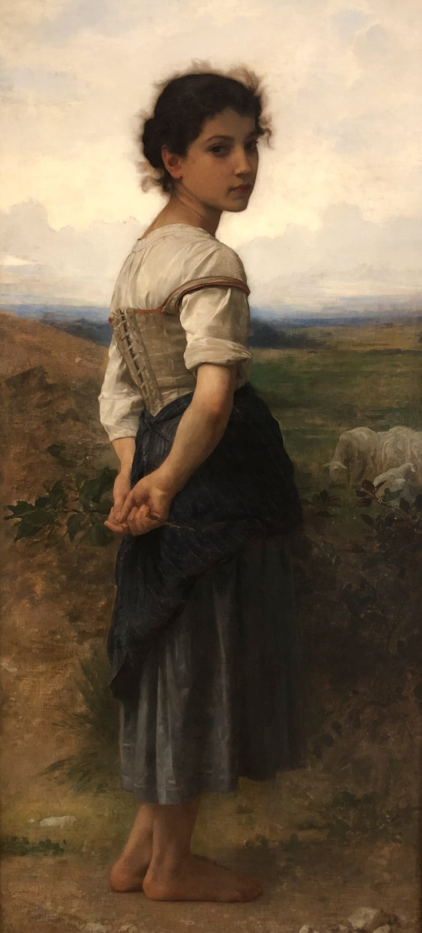
 | At the 2018 PMI Global Conference,
 | attendees experienced Collabinart®.

 | Collabinart is a freely-licensed
 | team-building and training
 | framework to build collaboration
 | skills using masterpiece artworks.

 | Use Collabinart at any point in a
 | team's journey together. Develop
 | team camaraderie, active listening
 | skills, and collaboration skills.
 | It's fun, free, and effective.

 | Visit the Collabinart website
 | to learn more.

The Young Shepherdess (1865)
William-Adolphe Bouguereau
San Diego Museum of Art

