Welcome
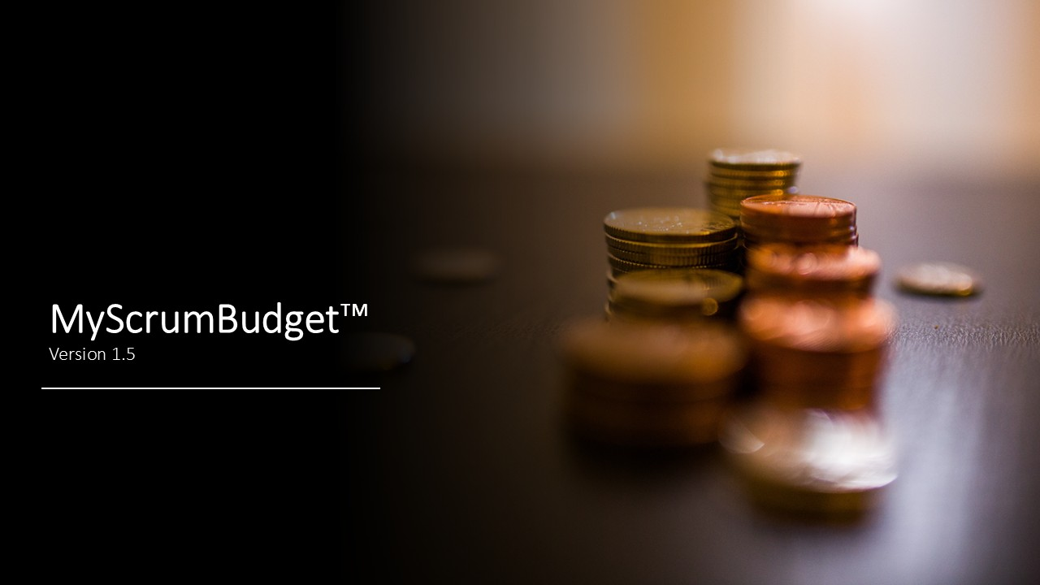
 | Welcome!

 | I created MyScrumBudget™ because I needed to create
 | budgets for my Scrum projects so each project budget
 | would match its schedule constraint.

 | MyScrumBudget™ is easy to use. Just setup your
 | organization's project team member roles and
 | labor rates on the Vlookups worksheet, then go to
 | the MyScrumBudget™ worksheet and add your
 | project start date, team member names, and their
 | monthly allocations across your project's duration.

 | Once you've done that, pay attention to the weekly
 | burn-rate. As long as your agile team's weekly
 | burn-rate roughly matches your budgeted burn-rate,
 | you won't run out of money before you run out of
 | time.

 | Got questions? Suggestions to improve this tool?
 | Contact me!

Version 1.5 – © 2020-2025, William W. Davis, MSPM, PMP

MyScrumBudget™ is a free spreadsheet file; you can redistribute it and/or modify it under the terms of the
GNU General Public License as published by the Free Software Foundation, either version 3 of the License,
or (at your option) any later version. MyScrumBudget™ is a non-federally-registered trademark. If you modify
this spreadsheet in any material way, please remove this trademarked name from the modified spreadsheet.
On both verbatim and modified copies of this file, you must always retain the original copyright notice,
including the author's name, copyright year, and a notice that this file is licensed under the GNU General Public License.

This file is distributed in the hope that it will be useful, but WITHOUT ANY WARRANTY;
without even the implied warranty of MERCHANTABILITY or FITNESS FOR A PARTICULAR PURPOSE.
See the GNU General Public License for more details (https://www.gnu.org/licenses/).

README
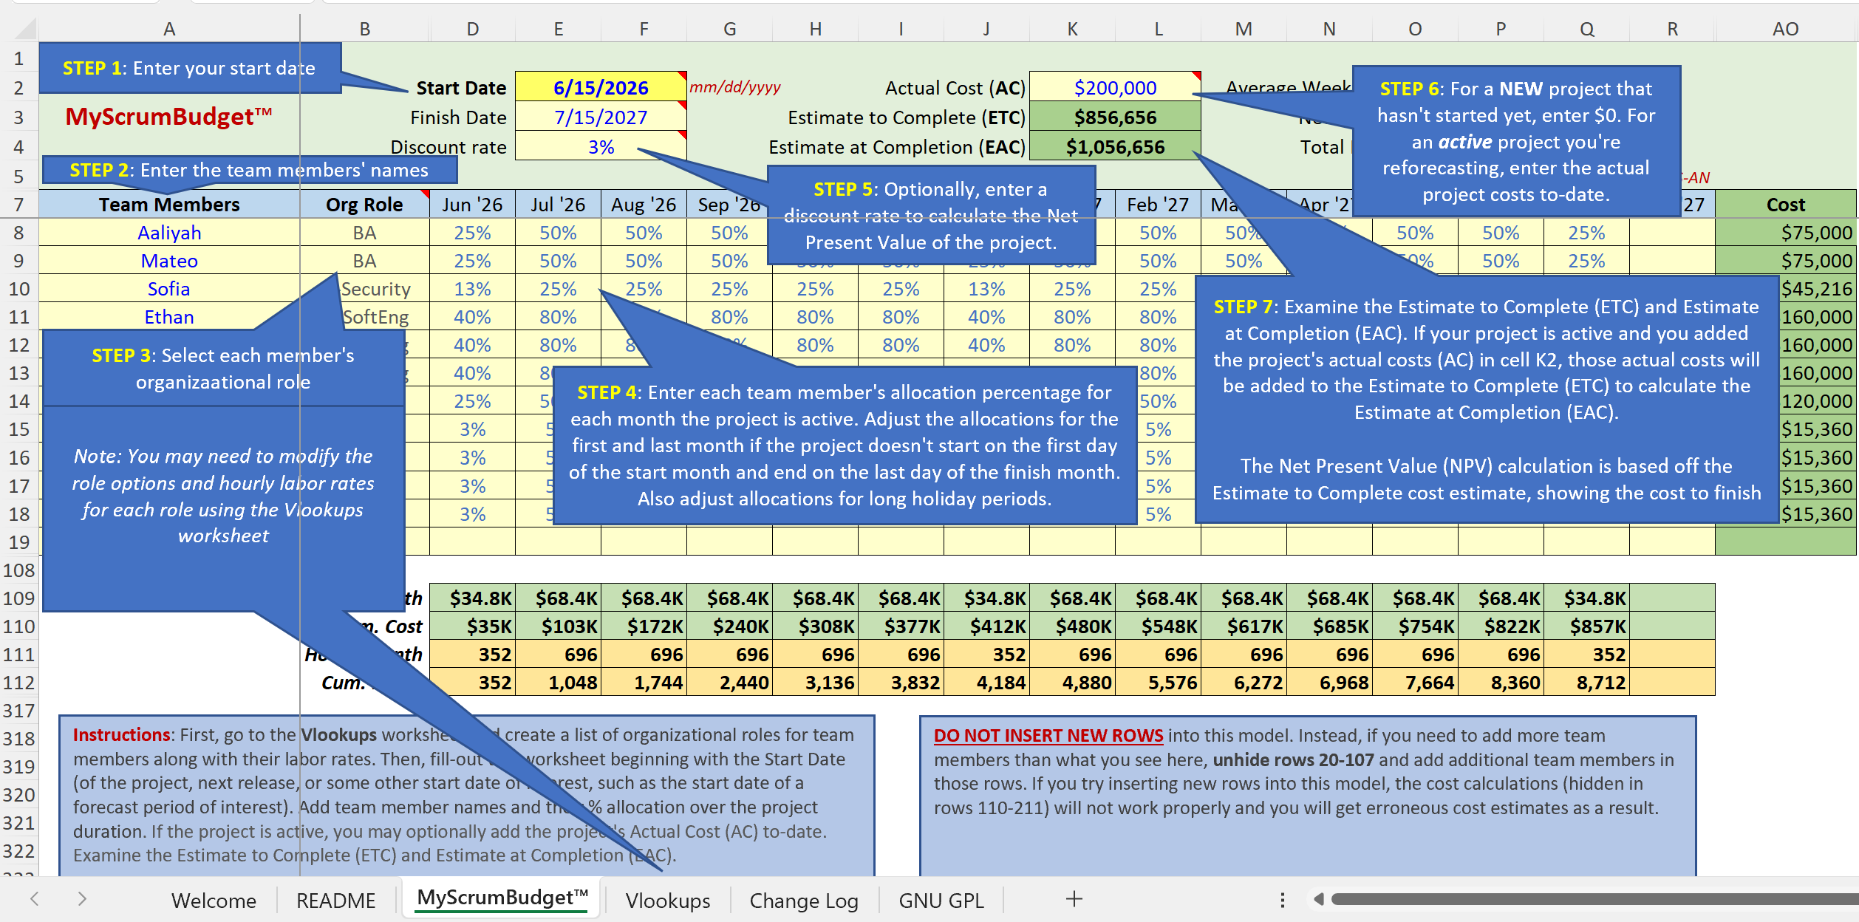

 | README

 | Use the image to the left to learn the necessary
 | steps to fill-out the MyScrumBudget™ worksheet.

 | Got questions? Suggestions to improve this tool?
 | Contact me!

Version 1.5 – © 2020-2025, William W. Davis, MSPM, PMP

MyScrumBudget™ is a free spreadsheet file; you can redistribute it and/or modify it under the terms of the
GNU General Public License as published by the Free Software Foundation, either version 3 of the License,
or (at your option) any later version. MyScrumBudget™ is a non-federally-registered trademark. If you modify
this spreadsheet in any material way, please remove this trademarked name from the modified spreadsheet.
On both verbatim and modified copies of this file, you must always retain the original copyright notice,
including the author's name, copyright year, and a notice that this file is licensed under the GNU General Public License.

This file is distributed in the hope that it will be useful, but WITHOUT ANY WARRANTY;
without even the implied warranty of MERCHANTABILITY or FITNESS FOR A PARTICULAR PURPOSE.
See the GNU General Public License for more details (https://www.gnu.org/licenses/).

MyScrumBudget™
MyScrumBudget™
 |  | Start Date | 6/15/2026 |  | mm/dd/yyyy |  |  | Actual Cost (AC) | $200,000 |  |  |  | Average Weekly Burn-rate | $14,044
 |  | Finish Date | 7/15/2027 |  |  |  |  | Estimate to Complete (ETC) | $856,656 |  |  |  | Net Present Value | $690,379
 |  | Discount rate | 3% |  |  |  |  | Estimate at Completion (EAC) | $1,056,656 |  |  |  | Total Labor Hours | 8,712
 |  |  |  |  |  |  |  |  |  |  |  |  |  |  |  | Need more months? Unhide columns S-AN |  | An hourly rate is hidden in column AP; you may unhide column AP but DO NOT DELETE IT!
Team Members | Org Role | Jun '26 | Jul '26 | Aug '26 | Sep '26 | Oct '26 | Nov '26 | Dec '26 | Jan '27 | Feb '27 | Mar '27 | Apr '27 | May '27 | Jun '27 | Jul '27 | Aug '27 | Cost
Aaliyah | BA | 25% | 50% | 50% | 50% | 50% | 50% | 25% | 50% | 50% | 50% | 50% | 50% | 50% | 25% |  | $75,000
Mateo | BA | 25% | 50% | 50% | 50% | 50% | 50% | 25% | 50% | 50% | 50% | 50% | 50% | 50% | 25% |  | $75,000
Sofia | IT-Security | 13% | 25% | 25% | 25% | 25% | 25% | 13% | 25% | 25% | 25% | 25% | 25% | 25% | 13% |  | $45,216
Ethan | IT-SoftEng | 40% | 80% | 80% | 80% | 80% | 80% | 40% | 80% | 80% | 80% | 80% | 80% | 80% | 40% |  | $160,000
Aria | IT-SoftEng | 40% | 80% | 80% | 80% | 80% | 80% | 40% | 80% | 80% | 80% | 80% | 80% | 80% | 40% |  | $160,000
Noah | IT-SoftEng | 40% | 80% | 80% | 80% | 80% | 80% | 40% | 80% | 80% | 80% | 80% | 80% | 80% | 40% |  | $160,000
Julianna | PMO | 25% | 50% | 50% | 50% | 50% | 50% | 25% | 50% | 50% | 50% | 50% | 50% | 50% | 25% |  | $120,000
Luca | Manager | 3% | 5% | 5% | 5% | 5% | 5% | 3% | 5% | 5% | 5% | 5% | 5% | 5% | 3% |  | $15,360
Amara | Manager | 3% | 5% | 5% | 5% | 5% | 5% | 3% | 5% | 5% | 5% | 5% | 5% | 5% | 3% |  | $15,360
Kai | Manager | 3% | 5% | 5% | 5% | 5% | 5% | 3% | 5% | 5% | 5% | 5% | 5% | 5% | 3% |  | $15,360
Priya | Manager | 3% | 5% | 5% | 5% | 5% | 5% | 3% | 5% | 5% | 5% | 5% | 5% | 5% | 3% |  | $15,360

Need more rows? Unhide rows 20-107
 | Cost/month | $34.8K | $68.4K | $68.4K | $68.4K | $68.4K | $68.4K | $34.8K | $68.4K | $68.4K | $68.4K | $68.4K | $68.4K | $68.4K | $34.8K
 | Cum. Cost | $35K | $103K | $172K | $240K | $308K | $377K | $412K | $480K | $548K | $617K | $685K | $754K | $822K | $857K
 | Hours/month | 352 | 696 | 696 | 696 | 696 | 696 | 352 | 696 | 696 | 696 | 696 | 696 | 696 | 352
 | Cum. Hours | 352 | 1,048 | 1,744 | 2,440 | 3,136 | 3,832 | 4,184 | 4,880 | 5,576 | 6,272 | 6,968 | 7,664 | 8,360 | 8,712
...
Instructions: First, go to the Vlookups worksheet and create a list of organizational roles for team members along with their labor rates. Then, fill-out this worksheet beginning with the Start Date (of the project, next release, or some other start date of interest, such as the start date of a forecast period of interest). Add team member names and their % allocation over the project duration. If the project is active, you may optionally add the project's Actual Cost (AC) to-date. Examine the Estimate to Complete (ETC) and Estimate at Completion (EAC).
DO NOT INSERT NEW ROWS into this model. Instead, if you need to add more team members than what you see here, unhide rows 20-107 and add additional team members in those rows. If you try inserting new rows into this model, the cost calculations (hidden in rows 110-211) will not work properly and you will get erroneous cost estimates as a result.

Version 1.5 – © 2020-2025, William W. Davis, MSPM, PMP

MyScrumBudget™ is a free spreadsheet file; you can redistribute it and/or modify it under the terms of the
GNU General Public License as published by the Free Software Foundation, either version 3 of the License,
or (at your option) any later version. MyScrumBudget™ is a non-federally-registered trademark. If you modify
this spreadsheet in any material way, please remove this trademarked name from the modified spreadsheet.
On both verbatim and modified copies of this file, you must always retain the original copyright notice,
including the author's name, copyright year, and a notice that this file is licensed under the GNU General Public License.

This file is distributed in the hope that it will be useful, but WITHOUT ANY WARRANTY;
without even the implied warranty of MERCHANTABILITY or FITNESS FOR A PARTICULAR PURPOSE.
See the GNU General Public License for more details (https://www.gnu.org/licenses/).

